Sheet1
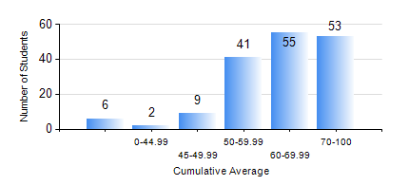
 |  |  | KWAME NKRUMAH UNIVERSITY OF SCIENCE AND TECHNOLOGY, KUMASI Department of Mechanical Engineering

 |  |  | BSC. MECHANICAL ENG.

 |  |  | COMPREHENSIVE RECORD OF EXAMINATION RESULTS

 |  |  | RESULTS OF YEAR 1 FIRST SEMESTER, 2022/2023 ACADEMIC YEAR

 | Sn | Course Code |  | Course Name | Credit Hours | Min. Mark | Max. Mark | Avg. Mark | Std. Dev. | No. Passed | No. Trailed | No. (Df) | No. (I) | No. (I*) | No. Tagged(I,I*,Df) | Total
 | 0. |  |  |  |  |  |  | 0 | 0 | 0 | 0 | 0 | 0 | 0 | 0 | 6
 | 1. | CE 155 |  | ENVIRONMENTAL STUDIES | 2 | 24 | 88 | 70 | 10.27 | 159 | 0 | 0 | 1 | 0 | 1 | 160
 | 2. | EE 151 |  | APPLIED ELECTRICITY | 3 | 16 | 87 | 71 | 9.6 | 158 | 2 | 0 | 0 | 0 | 0 | 160
 | 3. | ENGL 157 |  | COMMUNICATION SKILLS I | 2 | 31 | 84 | 59 | 11.02 | 155 | 5 | 0 | 0 | 0 | 0 | 160
 | 4. | MATH 151 |  | ALGEBRA | 4 | 35 | 84 | 57 | 11.38 | 158 | 1 | 0 | 1 | 0 | 1 | 160
 | 5. | ME 157 |  | INTRODUCTION TO INFORMATION TECHNOLOGY | 2 | 17 | 91 | 57 | 14.97 | 146 | 13 | 0 | 1 | 0 | 1 | 160
 | 6. | ME 159 |  | TECHNICAL DRAWING | 3 | 40 | 96 | 73 | 13.23 | 159 | 0 | 0 | 1 | 0 | 1 | 160
 | 7. | ME 195 |  | ENGINEERING TECHNOLOGY | 2 | 10 | 93 | 67 | 15.07 | 157 | 3 | 0 | 0 | 0 | 0 | 160

